Sheet1
Top 5 Customer By Amount
Q:10 | Shipment Domain comparison |  |  | Q9: | Top 5 customer by Amount
 | SH_DOMAIN | Sum of C_ID
 | Domestic | 521693 |  |  | C_ID | Sum of AMOUNT
 | International | 442868 |  |  | 1334 | ₹ 99,604
 | Grand Total | 964561 |  |  | 175 | ₹ 99,492
 |  |  |  |  | 207 | ₹ 99,367
 |  |  |  |  | 2154 | ₹ 99,239
 |  |  |  |  | 3 | ₹ 98,982

Q6: | Average shipment weight |  |  | Q14: | Average payment amount by customer type and payment mode.
 | Service type | Average of SH_WEIGHT |  |  | Average of AMOUNT | Payment_Mode
 | Express | 569.45 |  |  | Customer.C_TYPE | CARD PAYMENT | COD | Grand Total
 | Regular | 472.64 |  |  | Internal Goods | ₹ 45,680.57 | ₹ 53,278.87 | ₹ 49,926.68
 | total | 522.02 |  |  | Retail | ₹ 44,063.00 | ₹ 48,326.55 | ₹ 46,221.76
 |  |  |  |  | Wholesale | ₹ 45,795.04 | ₹ 46,346.43 | ₹ 46,086.34
 |  |  |  |  | Grand Total | ₹ 45,039.89 | ₹ 49,578.86 | ₹ 47,445.55

Q19: | Designation-wise Shipment Charge:
 |  |  |  |  |  | Q20: | Shipment Efficiency Analysis:
 | E_DESIGNATION | E_ID | Average Charges
 | HR manager | 238 | ₹ 1,181.00 |  |  | SH_DOMAIN | SER_TYPE | Sum of SH_WEIGHT | Sum of SH_CHARGES | Efficency
 |  | 332 | ₹ 1,257.00 |  |  | Domestic | Express | 28232 | 49344 | 0.57214656291
 |  | 400 | ₹ 1,242.00 |  |  |  | Regular | 30113 | 52693 | 0.57148008274
 |  | 676 | ₹ 558.00 |  |  | Domestic Total |  | 58345 | 102037 | 0.57180238541
 |  | 805 | ₹ 1,407.00 |  |  | International | Express | 29852 | 52680 | 0.56666666667
 | HR manager Total |  | ₹ 1,129.00 |  |  |  | Regular | 16206 | 32877 | 0.49292818688
 | Grand Total |  | ₹ 1,129.00 |  |  | International Total |  | 46058 | 85557 | 0.53833117103
 |  |  |  |  |  | Grand Total |  | 104403 | 187594 | 0.55653698946

Avg Amount of Each mode

Dashboard
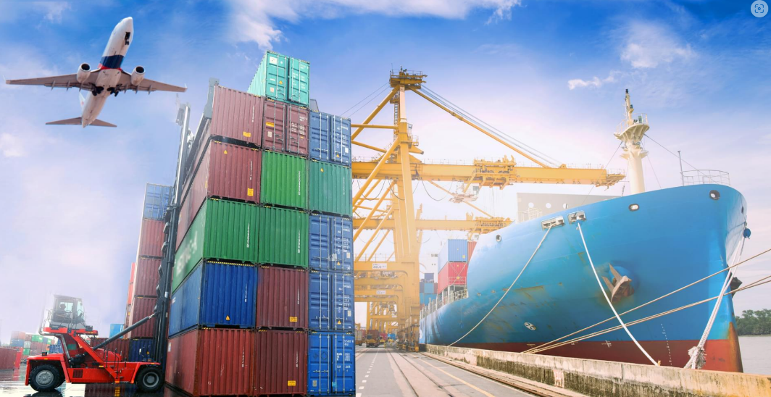
Asian Paint Company's Dashboard

Domain Wise charges
 | Total
Domestic | 102037
International | 85557

 |  |  |  |  |  |  |  |  |  | DOMAIN | Total Charges
 |  |  |  |  |  |  |  |  |  | Domestic | 102037
 |  |  |  |  |  |  |  |  |  | International | 85557
 |  |  |  |  |  |  |  |  |  | Grand Total | 187594
Total Customer
197

Current_Status | Shipment_Domain | C_ID | Avg Shipment Weight | Charges | Weight | Payment_Status | Payment_Mode | Year and month for trend | AMT
DELIVERED | Domestic | 50 | 550 | ₹ 46,600 | ₹ 27,519 | NOT PAID | CARD PAYMENT |  | ₹ 2,183,083
 | International | 50 | 495 | ₹ 46,353 | ₹ 24,763 |  | COD |  | ₹ 2,461,958
DELIVERED Total |  | 100 | 523 | ₹ 92,953 | ₹ 52,282 | NOT PAID Total |  |  | ₹ 4,645,041
NOT DELIVERED | Domestic | 59 | 522 | ₹ 55,437 | ₹ 30,826 | PAID | CARD PAYMENT |  | ₹ 2,050,667
 | International | 41 | 519 | ₹ 39,204 | ₹ 21,295 |  | COD |  | ₹ 2,793,401
NOT DELIVERED Total |  | 100 | 521 | ₹ 94,641 | ₹ 52,121 | PAID Total |  |  | ₹ 4,844,068
Grand Total |  | 200 | 522 | ₹ 187,594 | ₹ 104,403 | Grand Total |  |  | ₹ 9,489,109
 | Total_Customer | Avg Shipment Weight | Charges | Weight
Domestic | 50 | 550.38 | 46600 | 27519
International | 50 | 495.26 | 46353 | 24763
Domestic | 59 | 522.47457627 | 55437 | 30826
International | 41 | 519.3902439 | 39204 | 21295
Financial Health Monitor
Content Wise Charges
 | Total
Arts and crafts | 19681
Automotive | 14897
Construction | 19979
Electronics | 17115
Fashion | 14815
Food and Beverages | 11383
Hazardous Goods | 16052
Healthcare | 15293
Home Furnishing | 19625
Industrial Equipments | 17742
Luggage | 21012

Sheet3
 |  |  | Membership duraion in months | (All)
Total Customer |  |  |  |  |  |  |  |  |  | Row Labels | Amt
197 |  |  | Membership duration in months |  |  |  |  |  |  | NOT PAID | 4645041
 |  |  |  |  |  |  |  |  |  | CARD PAYMENT | 2183083
 |  |  |  |  |  |  |  |  |  | COD | 2461958
 | Row Labels |  | Count of SH_ID | Average of SH_WEIGHT | Sum of SH_WEIGHT | Sum of SH_CHARGES |  |  |  | PAID | 4844068
 | Internal Goods |  | 200 | 522.015 | 104403 | 187594 |  |  |  | CARD PAYMENT | 2050667
 | Retail |  |  |  |  |  |  |  |  | COD | 2793401
 | Wholesale |  | Row Labels | Total_Customer | Avg Shipment Weight | Charges | Weight | Efficiency (w/c) |  | Grand Total | 9489109
 |  |  | DELIVERED | 100 | 522.82 | 92953 | 52282 | 0.562 |  |  |  | Row Labels | Sum of Shipment_Details.SH_CHARGES
 |  |  | Domestic | 50 | 550.38 | 46600 | 27519 | 0.591 | Row Labels |  |  | Arts and crafts | 19681
 |  |  | International | 50 | 495.26 | 46353 | 24763 | 0.534 | NOT PAID |  |  | Automotive | 14897
 |  |  | NOT DELIVERED | 100 | 521.21 | 94641 | 52121 | 0.551 | CARD PAYMENT |  |  | Construction | 19979
 |  |  | Domestic | 59 | 522.47457627 | 55437 | 30826 | 0.556 | COD |  |  | Electronics | 17115
 |  |  | International | 41 | 519.3902439 | 39204 | 21295 | 0.543 | PAID |  |  | Fashion | 14815
 |  |  | Grand Total | 200 | 522.015 | 187594 | 104403 | 0.557 | CARD PAYMENT |  |  | Food and Beverages | 11383
 |  |  |  |  |  |  |  |  | COD |  |  | Hazardous Goods | 16052
 |  |  |  |  |  |  |  |  | Grand Total |  |  | Healthcare | 15293
 |  |  |  |  |  |  |  |  |  |  |  | Home Furnishing | 19625
 |  |  |  |  |  |  |  |  |  |  |  | Industrial Equipments | 17742
 |  |  |  |  |  |  |  |  |  |  |  | Luggage | 21012
 |  |  |  |  |  |  |  |  |  |  |  | Grand Total | 187594

Financial Health Monitor
 | Total
CARD PAYMENT | ₹ 2,183,083
COD | ₹ 2,461,958
CARD PAYMENT | ₹ 2,050,667
COD | ₹ 2,793,401

 | Row Labels | Total Charges
 | Domestic | 102037
 | International | 85557
 | Grand Total | 187594

